troidtest1
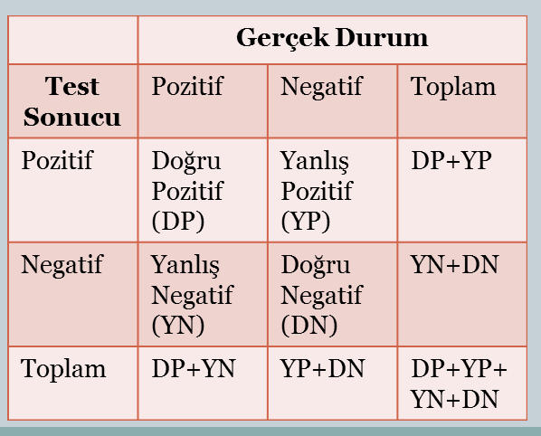
KAYIT | T3 | TST | TSTT | TSH | MADTSH | SONUC | TEST SONUCU
1 | 113 | 9.9 | 3.1 | 2.0 | 5.9 | normal | hyper
2 | 105 | 7.3 | 1.5 | 1.5 | -0.10 | normal | normal
HYPER
HYPO+NORMAL
3 | 114 | 9.9 | 2.4 | 1.5 | 5.70 | normal | normal
4 | 106 | 4.2 | 1.2 | 1.6 | 1.40 | normal | hypo
5 | 112 | 8.1 | 1.9 | 3.7 | 2.00 | normal | normal
HYPER
6 | 111 | 8.4 | 1.5 | 0.8 | 1.20 | normal | normal
7 | 115 | 7.1 | 1.3 | 1.3 | 2.00 | normal | normal
8 | 109 | 10.4 | 1.9 | 0.4 | -0.10 | normal | normal
9 | 100 | 6.1 | 2.4 | 1.8 | 3.80 | normal | normal
NORMAL+HYPO
10 | 105 | 11.1 | 2.0 | 1.0 | 1.00 | normal | normal
11 | 116 | 11.1 | 2.0 | 1.2 | 2.30 | normal | normal
12 | 117 | 12.2 | 1.9 | 1.2 | 3.90 | normal | normal
13 | 106 | 9.4 | 1.5 | 0.8 | 0.50 | normal | normal
14 | 121 | 10.1 | 2.4 | 0.8 | 3.00 | normal | normal
15 | 121 | 13.5 | 1.5 | 1.6 | 0.50 | normal | normal
16 | 109 | 10.0 | 1.3 | 1.8 | 4.30 | normal | normal
17 | 118 | 8.1 | 1.9 | 1.5 | 13.70 | normal | hypo
18 | 115 | 8.1 | 1.7 | 0.6 | 2.20 | normal | normal
19 | 114 | 10.9 | 2.1 | 0.3 | 1.40 | normal | normal
20 | 106 | 11.3 | 1.8 | 0.9 | 1.00 | normal | normal
21 | 101 | 7.1 | 2.2 | 0.8 | 2.20 | normal | normal
22 | 117 | 9.2 | 1.9 | 1.5 | 6.80 | normal | normal
23 | 97 | 7.8 | 1.3 | 1.2 | 0.90 | normal | normal |  | ROC1(NORMAL) | ROC2(HYPER) | ROC3(HYPO) |  | ORTALAMA
24 | 96 | 9.4 | 1.5 | 1.0 | 3.10 | normal | normal | DOĞRULUK: | 0.91666666667 | 0.95833333333 | 0.95833333333 | 0.94444444444
25 | 126 | 9.4 | 2.3 | 1.0 | 4.00 | normal | normal | DUYARLILIK: | 0.94 | 0.83333333333 | 0.9 | 0.89111111111
26 | 119 | 12.9 | 1.5 | 1.3 | 3.60 | normal | normal | SEÇİCİLİK: | 0.86363636364 | 0.98333333333 | 0.96774193548 | 0.93823721082
27 | 117 | 6.7 | 2.2 | 1.8 | 6.70 | normal | normal
28 | 103 | 8.5 | 1.8 | 1.9 | 1.10 | normal | normal
29 | 107 | 13.0 | 1.5 | 2.8 | 1.70 | normal | normal | DP: | 47 | 10 | 9
30 | 105 | 8.1 | 2.0 | 1.9 | -0.50 | normal | normal | DN: | 19 | 59 | 60
31 | 112 | 5.9 | 1.7 | 2.0 | 1.30 | normal | normal | YP: | 3 | 1 | 2
32 | 109 | 12.4 | 2.3 | 1.7 | 0.80 | normal | normal | YN: | 3 | 2 | 1
33 | 110 | 8.4 | 1.4 | 1.0 | 1.90 | normal | normal |  | 72 | 72 | 72
34 | 108 | 8.7 | 1.2 | 2.2 | 2.50 | normal | normal
35 | 105 | 7.0 | 1.5 | 2.7 | 4.30 | normal | normal
36 | 105 | 11.1 | 1.1 | 0.8 | 1.20 | normal | normal
37 | 102 | 9.5 | 1.4 | 1.1 | 1.60 | normal | normal
38 | 109 | 8.9 | 1.7 | 1.0 | 0.90 | normal | normal
39 | 105 | 8.7 | 1.5 | 1.1 | 1.50 | normal | normal
40 | 111 | 8.5 | 1.6 | 1.1 | 3.90 | normal | normal
41 | 98 | 10.4 | 1.6 | 2.3 | -0.70 | normal | normal
42 | 101 | 6.3 | 1.5 | 0.9 | 2.90 | normal | normal
43 | 115 | 10.6 | 0.8 | 2.1 | 4.60 | normal | normal
44 | 110 | 6.3 | 1.0 | 0.8 | 1.00 | normal | normal
45 | 112 | 10.6 | 1.6 | 0.9 | -0.10 | normal | normal
46 | 116 | 7.8 | 1.4 | 1.1 | 3.70 | normal | normal
47 | 108 | 7.1 | 1.3 | 1.6 | 2.20 | normal | normal
48 | 112 | 6.5 | 1.2 | 1.2 | 2.00 | normal | normal
49 | 126 | 10.4 | 1.7 | 1.2 | 3.50 | normal | normal
50 | 104 | 6.1 | 1.8 | 0.5 | 0.80 | normal | normal
51 | 111 | 16.0 | 2.1 | 0.9 | -0.10 | hyper | normal
52 | 88 | 24.1 | 5.5 | 0.8 | 0.10 | hyper | hyper
53 | 110 | 20.3 | 3.7 | 0.6 | 0.20 | hyper | hyper
54 | 89 | 14.3 | 4.1 | 0.5 | 0.20 | hyper | hyper
55 | 105 | 17.4 | 1.6 | 0.3 | 0.40 | hyper | hyper
56 | 80 | 23.0 | 10.0 | 0.9 | -0.10 | hyper | hyper
57 | 68 | 14.7 | 7.8 | 0.6 | -0.20 | hyper | hyper
58 | 84 | 18.5 | 4.4 | 1.1 | -0.30 | hyper | hyper
59 | 99 | 17.5 | 1.9 | 1.4 | 0.30 | hyper | hyper
60 | 144 | 22.3 | 3.3 | 1.3 | 0.60 | hyper | hyper
61 | 97 | 15.1 | 1.8 | 1.2 | -0.20 | hyper | normal
62 | 92 | 11.1 | 2.0 | 0.7 | -0.20 | hyper | hyper
63 | 108 | 3.5 | 0.6 | 1.7 | 1.40 | hypo | hypo
64 | 141 | 5.6 | 1.8 | 9.2 | 14.40 | hypo | hypo
65 | 120 | 1.9 | 0.7 | 18.5 | 24.00 | hypo | hypo
66 | 115 | 6.3 | 1.2 | 4.7 | 14.40 | hypo | hypo
67 | 131 | 2.7 | 0.8 | 9.9 | 4.70 | hypo | hypo
68 | 113 | 5.1 | 0.7 | 5.8 | 19.60 | hypo | hypo
69 | 125 | 3.7 | 1.1 | 8.5 | 25.90 | hypo | hypo
70 | 134 | 1.9 | 0.6 | 18.4 | 8.20 | hypo | hypo
71 | 139 | 4.2 | 0.7 | 4.3 | 6.30 | hypo | hypo
72 | 102 | 5.3 | 1.4 | 1.3 | 6.70 | hypo | normal

troidtest2
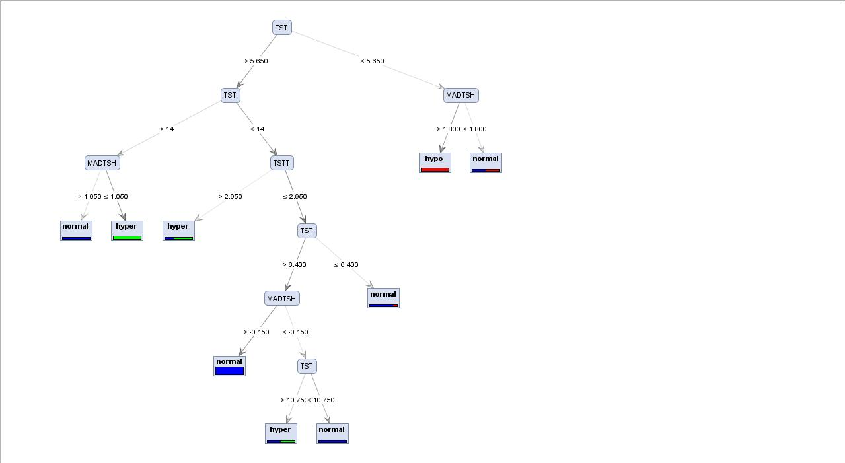
KAYIT | T3 | TST | TSTT | TSH | MADTSH | SONUC | TEST SONUCU
1 | 107 | 10.1 | 2.2 | 0.9 | 2.7 | normal
2 | 109 | 5.3 | 1.6 | 1.4 | 1.5 | normal
3 | 110 | 10.4 | 1.6 | 1.6 | 2.7 | normal
4 | 107 | 13.0 | 1.1 | 0.9 | 3.1 | normal
5 | 116 | 9.2 | 2.7 | 1.0 | 4.2 | normal
6 | 109 | 8.4 | 2.1 | 1.1 | 3.6 | normal
7 | 119 | 10.6 | 2.1 | 1.3 | 1.1 | normal
8 | 103 | 10.1 | 1.3 | 0.7 | 0.1 | normal
9 | 121 | 10.1 | 1.7 | 1.3 | 0.1 | normal
10 | 116 | 10.1 | 2.2 | 1.6 | 0.8 | normal
11 | 120 | 8.4 | 1.1 | 1.4 | 1.4 | normal
12 | 90 | 8.1 | 1.6 | 1.4 | 1.1 | normal
13 | 113 | 9.0 | 2.0 | 1.8 | 1.6 | normal
14 | 100 | 10.5 | 2.4 | 0.9 | 1.9 | normal
15 | 129 | 11.9 | 2.7 | 1.2 | 3.5 | normal
16 | 107 | 8.4 | 1.8 | 1.5 | 0.8 | normal
17 | 100 | 9.5 | 2.5 | 1.3 | -0.2 | normal
18 | 103 | 12.2 | 1.2 | 1.3 | 2.7 | normal
19 | 106 | 9.4 | 1.7 | 0.9 | 3.1 | normal
20 | 120 | 10.4 | 2.1 | 1.1 | 1.8 | normal
21 | 103 | 8.1 | 1.4 | 0.5 | 3.8 | normal
22 | 116 | 10.0 | 1.7 | 1.5 | 4.3 | normal
23 | 118 | 10.5 | 2.1 | 0.7 | 3.5 | normal
24 | 104 | 6.3 | 2.0 | 1.2 | 4.0 | normal
25 | 133 | 9.7 | 2.9 | 0.8 | 1.9 | normal |  |  | ROC1(NORMAL) | ROC2(HYPER) | ROC3(HYPO) |  | ORTALAMA
26 | 109 | 9.7 | 1.4 | 1.1 | 2.1 | normal |  | DOĞRULUK: | #DIV/0! | #DIV/0! | #DIV/0! | #DIV/0!
27 | 108 | 10.4 | 2.1 | 1.3 | 2.4 | normal |  | DUYARLILIK: | #DIV/0! | #DIV/0! | #DIV/0! | #DIV/0!
28 | 91 | 8.0 | 1.7 | 2.1 | 4.6 | normal |  | SEÇİCİLİK: | #DIV/0! | #DIV/0! | #DIV/0! | #DIV/0!
29 | 111 | 7.8 | 2.0 | 1.8 | 4.1 | normal
30 | 122 | 11.8 | 2.7 | 1.7 | 2.3 | normal
31 | 105 | 9.5 | 1.8 | 1.6 | 3.6 | normal |  | DP:
32 | 98 | 8.6 | 1.6 | 1.6 | 6.0 | normal |  | DN:
33 | 114 | 11.1 | 2.4 | 2.0 | -0.3 | normal |  | YP:
34 | 108 | 10.9 | 1.2 | 1.9 | 1.0 | normal |  | YN:
35 | 113 | 11.5 | 1.5 | 1.9 | 2.9 | normal |  |  | 0 | 0 | 0
36 | 114 | 8.1 | 1.6 | 1.6 | 0.5 | normal
37 | 116 | 11.5 | 1.8 | 1.4 | 5.4 | normal
38 | 118 | 10.6 | 1.8 | 1.4 | 3.0 | normal
39 | 104 | 9.6 | 1.1 | 1.3 | 0.8 | normal
40 | 112 | 6.8 | 1.7 | 1.4 | 3.3 | normal
41 | 103 | 7.3 | 1.0 | 0.7 | 0.5 | normal
42 | 111 | 9.1 | 1.7 | 1.2 | 4.1 | normal
43 | 102 | 8.4 | 1.5 | 0.8 | 2.4 | normal
44 | 101 | 6.7 | 1.3 | 1.0 | 5.7 | normal
45 | 113 | 7.8 | 2.0 | 1.1 | 3.0 | normal
46 | 109 | 9.2 | 1.8 | 1.1 | 4.4 | normal
47 | 108 | 6.5 | 1.0 | 0.9 | 1.5 | normal
48 | 98 | 5.7 | 0.4 | 1.3 | 2.8 | normal
49 | 94 | 7.5 | 1.2 | 1.3 | 4.4 | normal
50 | 111 | 11.9 | 2.3 | 0.9 | 3.8 | normal
51 | 139 | 16.4 | 3.8 | 1.1 | -0.2 | hyper
52 | 65 | 25.3 | 5.8 | 1.3 | 0.2 | hyper
53 | 134 | 16.4 | 4.8 | 0.6 | 0.1 | hyper
54 | 95 | 11.1 | 2.7 | 1.6 | -0.3 | hyper
55 | 88 | 12.9 | 2.7 | 0.1 | 0.2 | hyper
56 | 99 | 13.0 | 3.6 | 0.7 | -0.1 | hyper
57 | 99 | 13.0 | 3.1 | 0.5 | -0.1 | hyper
58 | 84 | 21.5 | 2.7 | 1.1 | -0.6 | hyper
59 | 94 | 20.5 | 1.8 | 1.4 | -0.5 | hyper
60 | 110 | 15.2 | 1.9 | 0.7 | -0.2 | hyper
61 | 88 | 16.5 | 4.9 | 0.8 | 0.1 | hyper
62 | 79 | 19.0 | 5.5 | 0.9 | 0.3 | hyper
63 | 120 | 6.8 | 2.1 | 10.4 | 38.6 | hypo
64 | 119 | 3.8 | 1.1 | 23.0 | 5.7 | hypo
65 | 118 | 3.6 | 1.5 | 11.6 | 48.8 | hypo
66 | 123 | 5.6 | 1.1 | 13.7 | 56.3 | hypo
67 | 121 | 4.7 | 1.8 | 11.2 | 53.0 | hypo
68 | 141 | 2.5 | 1.3 | 8.5 | 7.5 | hypo
69 | 120 | 3.4 | 1.8 | 7.5 | 21.5 | hypo
70 | 112 | 2.6 | 0.7 | 41.0 | 19.0 | hypo
71 | 118 | 6.5 | 1.3 | 1.7 | 11.5 | hypo
72 | 97 | 4.7 | 1.1 | 2.1 | 12.6 | hypo

troidtest3
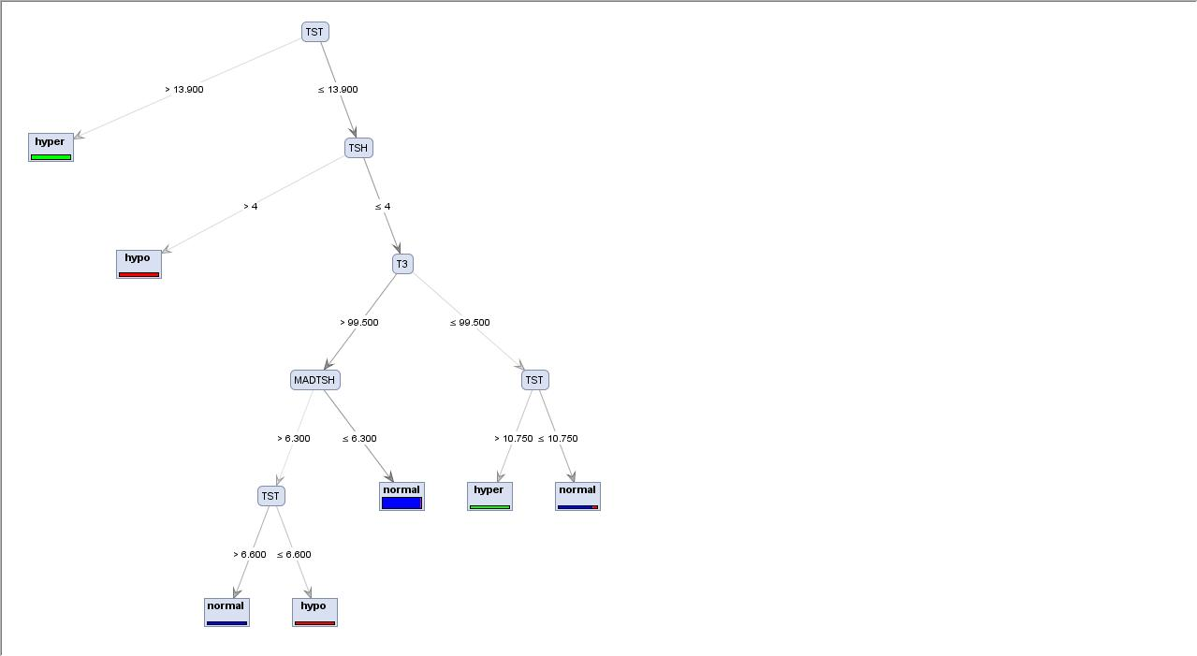
KAYIT | T3 | TST | TSTT | TSH | MADTSH | SONUC | TEST SONUCU
1 | 127 | 12.9 | 2.4 | 1.4 | 0.6 | normal
2 | 105 | 6.1 | 2.1 | 1.4 | 7.0 | normal
3 | 106 | 9.4 | 2.2 | 1.5 | 0.0 | normal
4 | 110 | 11.3 | 2.3 | 0.9 | 3.3 | normal
5 | 122 | 9.7 | 1.6 | 0.9 | 2.2 | normal
6 | 114 | 6.7 | 1.5 | 1.0 | 3.5 | normal
7 | 101 | 7.8 | 1.2 | 1.0 | 1.7 | normal
8 | 102 | 7.6 | 1.8 | 2.0 | 2.5 | normal
9 | 106 | 9.6 | 2.4 | 1.0 | 1.3 | normal
10 | 110 | 10.4 | 1.8 | 1.0 | 2.3 | normal
11 | 110 | 7.8 | 1.9 | 2.1 | 6.4 | normal
12 | 117 | 11.0 | 1.4 | 1.5 | 2.1 | normal
13 | 130 | 9.5 | 1.7 | 0.4 | 3.2 | normal
14 | 110 | 9.2 | 1.6 | 1.5 | 0.3 | normal
15 | 123 | 8.1 | 2.3 | 1.0 | 5.1 | normal
16 | 120 | 6.8 | 1.9 | 1.3 | 1.9 | normal
17 | 100 | 11.3 | 2.5 | 0.7 | -0.3 | normal
18 | 119 | 8.0 | 2.0 | 0.6 | 3.2 | normal
19 | 93 | 8.9 | 1.5 | 0.8 | 2.7 | normal
20 | 110 | 8.7 | 1.9 | 1.6 | 4.4 | normal
21 | 115 | 10.4 | 1.8 | 1.6 | 2.0 | normal
22 | 106 | 6.7 | 1.5 | 1.2 | 3.9 | normal
23 | 113 | 11.1 | 1.7 | 0.8 | 2.3 | normal
24 | 120 | 12.4 | 2.4 | 0.8 | 1.9 | normal
25 | 113 | 8.5 | 1.8 | 0.8 | 0.5 | normal
26 | 101 | 7.1 | 1.6 | 1.5 | 1.6 | normal
27 | 115 | 15.3 | 2.3 | 2.0 | 2.0 | normal
28 | 98 | 9.1 | 1.4 | 1.9 | -0.3 | normal
29 | 119 | 11.4 | 2.3 | 2.2 | 1.6 | normal
30 | 109 | 7.6 | 1.3 | 2.2 | 1.9 | normal
31 | 112 | 9.5 | 2.0 | 1.2 | 0.7 | normal
32 | 114 | 9.1 | 2.6 | 1.5 | 1.5 | normal
33 | 120 | 7.1 | 1.2 | 1.5 | 4.3 | normal
34 | 116 | 11.9 | 1.8 | 1.9 | 1.5 | normal
35 | 114 | 8.4 | 1.6 | 1.6 | -0.2 | normal
36 | 107 | 13.8 | 1.5 | 1.0 | 1.9 | normal
37 | 116 | 16.1 | 0.9 | 1.3 | 1.5 | normal
38 | 110 | 7.0 | 1.0 | 1.6 | 4.3 | normal
39 | 102 | 8.5 | 1.2 | 1.3 | 1.4 | normal
40 | 111 | 8.5 | 1.6 | 1.2 | 7.7 | normal
41 | 117 | 7.8 | 2.0 | 1.0 | 3.9 | normal
42 | 106 | 8.9 | 0.7 | 1.0 | 2.3 | normal
43 | 130 | 10.0 | 1.6 | 0.9 | 4.6 | normal
44 | 103 | 9.5 | 2.9 | 1.4 | -0.1 | normal
45 | 118 | 6.5 | 1.2 | 1.2 | 1.7 | normal
46 | 127 | 7.7 | 1.8 | 1.9 | 6.4 | normal
47 | 105 | 5.7 | 1.0 | 0.9 | 0.9 | normal
48 | 118 | 12.2 | 1.5 | 1.0 | 2.3 | normal
49 | 114 | 7.5 | 1.1 | 1.6 | 4.4 | normal
50 | 102 | 6.6 | 1.2 | 1.4 | 1.3 | normal
51 | 113 | 17.2 | 1.8 | 1.0 | 0.0 | hyper
52 | 65 | 18.2 | 10.0 | 1.3 | 0.1 | hyper
53 | 67 | 23.3 | 7.4 | 1.8 | -0.6 | hyper
54 | 89 | 23.8 | 5.4 | 0.5 | 0.1 | hyper
55 | 89 | 20.1 | 7.3 | 1.1 | -0.2 | hyper
56 | 89 | 21.8 | 7.1 | 0.7 | -0.1 | hyper
57 | 97 | 14.2 | 3.6 | 1.5 | 0.3 | hyper
58 | 98 | 16.7 | 4.3 | 1.7 | 0.2 | hyper
59 | 76 | 25.3 | 4.5 | 1.2 | -0.1 | hyper
60 | 105 | 12.0 | 3.3 | 1.1 | 0.0 | hyper
61 | 106 | 13.4 | 3.0 | 1.1 | 0.0 | hyper
62 | 125 | 2.3 | 0.9 | 16.5 | 9.5 | hypo
63 | 120 | 3.0 | 2.5 | 1.2 | 4.5 | hypo
64 | 129 | 1.5 | 0.6 | 12.5 | 2.9 | hypo
65 | 119 | 0.8 | 0.7 | 56.4 | 21.6 | hypo
66 | 126 | 0.5 | 0.2 | 12.2 | 8.8 | hypo
67 | 134 | 2.0 | 0.5 | 12.2 | 2.2 | hypo
68 | 136 | 1.4 | 0.3 | 32.6 | 8.4 | hypo
69 | 123 | 1.9 | 0.3 | 22.8 | 22.2 | hypo
70 | 119 | 5.1 | 1.1 | 7.0 | 40.8 | hypo
71 | 103 | 5.1 | 1.4 | 1.2 | 5.0 | hypo

